Sheet1
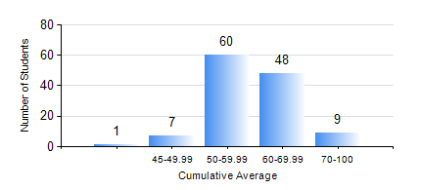
 |  |  | KWAME NKRUMAH UNIVERSITY OF SCIENCE AND TECHNOLOGY, KUMASI Department of Geological Engineering

 |  |  | BSC. GEOLOGICAL ENG.

 |  |  | COMPREHENSIVE RECORD OF EXAMINATION RESULTS

 |  |  | RESULTS OF YEAR 4 SECOND SEMESTER, 2019/2020 ACADEMIC YEAR

 | Sn | Course Code |  | Course Name | Credit Hours | Min. Mark | Max. Mark | Avg. Mark | Std. Dev. | No. Passed | No. Trailed | No. (Df) | No. (I) | No. (I*) | No. Tagged(I,I*,Df) | Total
 | 0. |  |  |  |  |  |  | 0 | 0 | 0 | 0 | 0 | 0 | 0 | 0 | 2
 | 1. | CE 478 |  | GROUND ENGINEERING | 3 | 57 | 79 | 72 | 5.27 | 20 | 0 | 0 | 0 | 0 | 0 | 20
 | 2. | GED 452 |  | ADVANCED ENGINEERING GEOLOGY | 2 | 50 | 92 | 70 | 7.03 | 123 | 0 | 0 | 0 | 0 | 0 | 123
 | 3. | GED 454 |  | ENVIRONMENTAL GEOLOGY | 2 | 45 | 93 | 81 | 9.36 | 123 | 0 | 0 | 0 | 0 | 0 | 123
 | 4. | GED 458 |  | PROJECT II | 3 | 23 | 87 | 73 | 8 | 122 | 1 | 0 | 0 | 0 | 0 | 123
 | 5. | GED 462 |  | ECONOMIC GEOLOGY | 3 | 40 | 76 | 65 | 6.32 | 123 | 0 | 0 | 0 | 0 | 0 | 123
 | 6. | GED 464 |  | ENGINEERING MANAGEMENT | 2 | 40 | 94 | 81 | 10.35 | 123 | 0 | 0 | 0 | 0 | 0 | 123
 | 7. | GED 466 |  | PETROLEUM GEOLOGY | 3 | 46 | 85 | 74 | 8.3 | 116 | 0 | 0 | 0 | 0 | 0 | 116
 | 8. | GED 476 |  | GROUNDWATER DEVELOPMENT | 3 | 40 | 85 | 59 | 9.29 | 123 | 0 | 0 | 0 | 0 | 0 | 123

